Release 2017
 | 

Maintenance budget tool

Release February 2017
Version 2

© LafargeHolcim Ltd 2017. The copyright for this document and all appendices is reserved by LafargeHolcim Ltd.

Info - Please read first!
The purpose of this work book is to provide you a simple way to collect and to consolidated all necessary information for maintenance budgeting

Steps

1. Plant info

Select the sheet |  | and input the required data

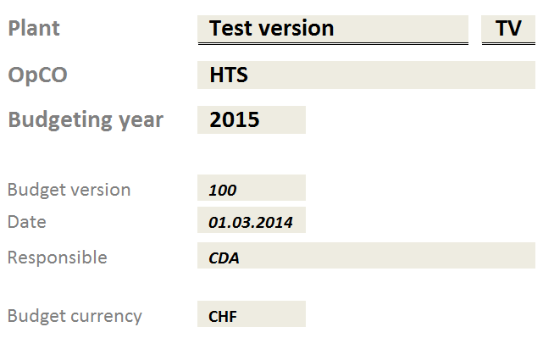

2. Working data

It is necessary to personalize this file with your plant specific data
a. | Areas / Line /Functional location where you are will assigning maintenance activities and their corresponding Cost center and WBS if applicable
b. | Maintenance work centers
These data will be updated on the sheet called
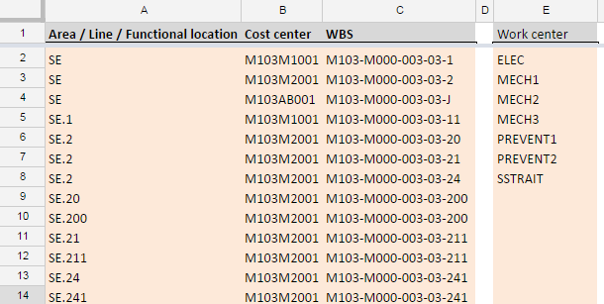

 | Columns in grey Responsible and Shutdown revision number are developing by themselves are collecting any new input from the list of activities.

3. Data input

Input your list of maintenance activities planned using all necessary details on the sheet called

 | Description
 | Area / Line / Functional location
 | Order type
 | Activity type
 | Work center
 | Responsible
 | Priority
 | Shutdown revision number
 | Activity group
 | Comments
 | Month
 | Working hours [h] for:
 | Maintenance own personnel
 | Maintenance subcontracted personnel
 | Related costs in budgeting currency for:
 | Third parties services maintenance
 | Maintenance materials
 | Wear parts
 | Consolidation data for budget
 | Considered for consolidation?

Note:
Priority field is in relation with PM01 work order type activities. For PM02 work order type are by default high priority works and this field should by left empty

Use the field "Month" to set the month of cost occurrence. For an year distribution of the cost leave the space blank. For additional occurrence other than monthly, introduce additional lines with the same activity and select the occurrence month. The field Considered for consolitation? has as value "Yes" in case that the activity is to be considered in the budget development and "No" in case that the activity should not be considered for the budget consolidation. The selection list for Responsibles and Shutdown revision number are developing by themselves based on new added values.

4. Monthly split for each cost element

For each listed activity, the budgeted hours and cost for each cost element are automatic split through the year considering the occurrence pattern set by the Month field. Based on this field value the respective cost element will be allocated to the respective month. For a blank Month field the respective cost element will be equally distributed through the year long. Each cost element has a monthly distribution sheet assigned. |  |  | Maintenance own

 |  |  | Maintenance subcontracted

 |  |  | Third parties services maintenance

 |  |  | Maintenance materials

 |  |  | Wear parts

5. Budget consolidation per each cost element per cost center/ WBS

Budgeted hours and expenses for each cost element are automatically consolidated per cost centers / WBS in separate sheet. |  |  | Maintenance own allocation per CC

 |  |  | Maintenance subcontracted allocation per CC

 |  |  | Third parties services maintenance allocation per CC

 |  |  | Maintenance materials allocation per CC

 |  |  | Wear parts allocation per CC

6. Maintenance plan
Budgeted activities are filtered per activity group in separate sheets: - Preventive maintenance strategy - Specific maintenance activities - General maintenance activities and using the asigned shutdown revision number - Shutdown activities |  |  | Preventive maintenance strategy

 |  |  | Specific maintenance activities

 |  |  | General Maintenance activities

 |  |  | Shutdown Maintenance activities

7. Budget consolidation
Collected data are automatic consolidated per cost element, considering the split between shutdown and base load activities, for each month. For a full overview in this sheet it is required to introduce the monthly split budget for cost with maintenance own personnel and maintenance subcontracted personnel. By using the inputted average hour rate for own and subcontracted personnel the budgeted hours will be converted in values. |  |  | Budget consolidation

8. Budget version maintenance
This tool is a working document used to consolidate and simulate budgets based and forecast on the input data.
Budget versions should be created by copying the file version at the certain time.

9. Budgeted workload
This sheet contains the consolidation of budgeted hours for maintenance own and maintenance subcontracted personnel |  |  | Budgeted workload

